Final Report
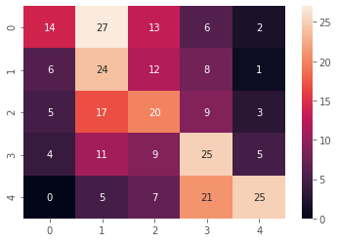
Base Model:
Embedding | Model type | Target feature | Accuracy | Remarks | Next Steps | Questions:
Word2Vec | LSTM | Accident Level | 72% | Val Accuracy hits a ceiling. | Check: Target value should be categorical

Version1: (preprocess_train_v1.py)
Embedding | Model type | Target feature | Accuracy | imblearn strategy | Observations
Word2Vec | LSTM | Accident Level | 54% | 1. Do 90-10 split of train & validation samples 2. Use this 90% data to resample using imblearn 3. Split resampled data to 80-20 split. 4. Use this 80% to fit and 20% as validation during DL fit. 4. Use the saved 10% samples for evaluation | 1. Since # of test samples is small, the exact accuracy is difficult to estimate. 2. DL model's accuracy increases & loss decreases over the epochs.
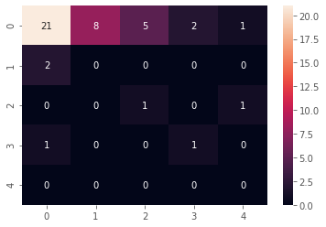

Version2 (preprocess_train_v2.py):
Embedding | Model type | Target feature | Accuracy | imblearn strategy | Observations
Word2Vec | LSTM | Accident Level | 39% | 1. Do 90-10 split of train & validation samples 2. Use this 90% data to resample using imblearn 3. Split resampled data to 80-20 split. 4. Use this 80% to fit and 10% as validation (from step#1) during DL fit. 4. Use the saved 20% samples for evaluation (created in step#3) | 1. Since # of test samples is higher, the accuracy and model performance can be evaluated. 2. DL model's accuracy increases & loss decreases over the epochs.

V1 vs V2 comparison
V1 and V2 Word2Vec - LSTM models
 | V1 Version |  |  |  |  | V2 Version
Epoch | Timing_v1(sec) | Train_loss_v1 | Acc_v1 | Val_loss_v1 | Val_acc_v1 | Timing_v2(sec) | Train_loss_v2 | Acc_v2 | Val_loss_v2 | Val_acc_v2
1 | 15 | 1.601 | 0.2276 | 1.5916 | 0.2903 | 10 | 1.6045 | 0.2124 | 1.5176 | 0.5349
2 | 11 | 1.5033 | 0.3701 | 1.499 | 0.3262 | 7 | 1.5526 | 0.3244 | 1.441 | 0.3023
3 | 11 | 1.3654 | 0.4238 | 1.4191 | 0.362 | 7 | 1.4836 | 0.3548 | 1.4725 | 0.5581
4 | 11 | 1.349 | 0.4301 | 1.533 | 0.3441 | 7 | 1.3927 | 0.4041 | 1.5686 | 0.4186
5 | 11 | 1.3547 | 0.4238 | 1.4136 | 0.3477 | 7 | 1.3539 | 0.448 | 1.3524 | 0.5116
6 | 11 | 1.2811 | 0.4651 | 1.401 | 0.362 | 7 | 1.3263 | 0.4355 | 1.2789 | 0.5116
7 | 11 | 1.2665 | 0.4767 | 1.471 | 0.3369 | 7 | 1.3198 | 0.4409 | 1.5566 | 0.3023
8 | 11 | 1.2774 | 0.4651 | 1.3942 | 0.405 | 7 | 1.2744 | 0.4615 | 1.5485 | 0.3953
9 | 11 | 1.226 | 0.4812 | 1.4478 | 0.3513 | 7 | 1.2816 | 0.4525 | 1.3591 | 0.4651
10 | 11 | 1.1909 | 0.5143 | 1.4074 | 0.4086 | 7 | 1.2446 | 0.4839 | 1.4468 | 0.3256

